Preface
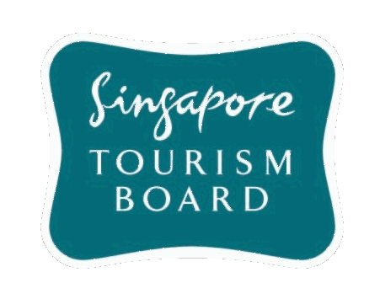
Singapore Tourism Board
Visitor Profile Statistics

Published Date: | 2023-04-05

PREFACE

The report on Visitor Profile Statistics is published by the Analytics & Insights Department, Data Science & Analytics Division, Singapore Tourism Board (STB). This publication provides information on visitor profile by year. Datapoints will be published for each complete period. ©2023 Singapore Tourism Board.
STB acknowledges with thanks the contribution of the Information Management Division of Immigration & Checkpoints Authority Department (Ministry of Home Affairs) in the collection and processing of the visitor arrivals statistics.

